Budget
Budget Report

 |  |  |  |  |  |  | Target Budget | Actual Spend | Over / Under |  | For 5 Months
 |  |  |  |  |  |  | £25,000.00 |  | £25,000.00

Milestones & Tasks | Employees | Hours per week | Rate @ | Chgs Per Months | Duration (M) |  | Budget | Actual | Under / Over | Project Manager - Perera |  | AI Architecture - Kasun |  | UI Designer - Omidu |  | Document Lead - Oishee
Human Resources |  |  |  |  |  |  |  |  |  | Tasks | No Hr | Tasks | No Hr | Tasks | No Hr | Tasks | No Hr
Project Manager |  | 15hr | 14 | - | 5 | £4,200.00 |  | £4,500.00 | -£300.00 | Project Intiation | 6 hrs | Project Intiation | 6 hrs | Project Intiation | 6 hrs | Project Intiation | 6 hrs
AI Achitecture / Model developer |  | 15hr | 15 |  | 5 | £4,500.00 |  | £5,000.00 | -£500.00 | Team Contract | 1 hrs | Team Contract | 1 hrs | Team Contract | 1 hrs | Team Contract | 1 hrs
UI Designer |  | 15hr | 14 |  | 5 | £4,200.00 |  | £4,200.00 | £0.00 | Weekly Teams meeting | 32 hrs | Weekly Teams meeting | 32 hrs | Weekly Teams meeting | 32 hrs | Weekly Teams meeting | 32 hrs
Quality Assurer / Document Lead |  | 10hr | 12.21 |  | 5 | £2,500.00 |  | £2,500.00 | £0.00 | Agile PM control | every time | Model Design | 50 hrs | Streamlit development | 60 hrs | Documenting the Teams Meetings | 50 hrs
Finance Manager |  |  |  |  |  | £1,100.00 |  | £1,100.00 | £0.00 | Follow the scope | every time | Training & Optimization | 70 hrs | Testing GUI | 30 hrs | Quality assuarace | 20 hrs
Sub Total - Human Resources |  |  |  |  |  |  | £16,500.00 | £17,300.00 |  | Research dataset | 30 hrs | Back propagation & Perameter Tuining | 30 hrs | Concern Ethics | 20 hrs | Technical Writing | 20 hrs
Cloud Computing | 02 Members | - |  | £600.00 | 5 |  | £3,000.00 | £3,200.00 | -£200.00 | Data set analyse | 20 hrs | Validation | 30 hrs | Database Linking | 30 hrs | Performance Report | 10 hrs
Software Licensing |  |  |  |  |  |  | £2,000.00 | £1,500.00 | £500.00 | Dataset preparation | 25 hrs | Testing | 20 hrs | T/ Verification & Identification | 50 hrs | Agile Documents pre & get approved | 20 hrs
Administrative/ Utilities |  |  |  |  |  |  | £1,500.00 | £1,500.00 | £0.00 | Data augmentation | 7 hrs |  |  |  |  | Ethics | 20 hrs
Documentation |  |  |  |  |  |  | £300.00 | £300.00 | £0.00 | Re arrange dataset | 20 hrs
Sub Total |  |  |  |  |  | Total | £23,300.00 | £23,800.00 |  | Risk management | every time
Contingency Reserve |  |  |  |  |  |  | £1,200.00 |  |  | Stake holder update | 4 hrs
Management Reserve |  |  |  |  |  |  | £1,300.00
TOTAL |  |  |  |  |  |  | £25,800.00 | Under Budget | £1,200.00

Sprint and Milestone wise
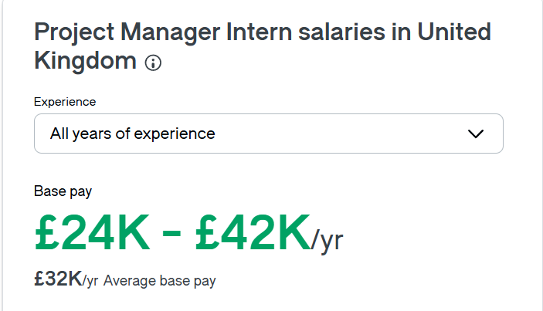


Project Phase / Sprints | Timeline | Allocated Budget | Key Activities
Sprints 0–1: Initiation | Weeks 1–5 | £4,000.00 | Project Charter approval, initial documentation, stakeholder alignment.
Sprints 2–5: Planning & Dataset Preparation | Weeks 6–8 | £6,000.00 | Dataset acquisition and preprocessing (CASIA-WebFace, LFW).
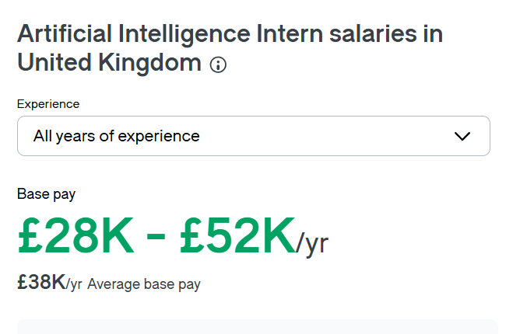
Sprints 6–7: Model Development | Weeks 9–14 | £7,000.00 | Core development phase with peak cloud usage and model training (MobileFaceNet).
Sprints 8–9: Testing & Evaluation | Weeks 15–16 | £5,000.00 | Performance validation, GUI testing via Streamlit.
Sprint 10: Closure & Presentation | Weeks 17–18 | £3,000.00 | Final reporting, audit, and project presentation.
TOTAL |  | £25,000.00

RACI
RACI Matrix - PFR

Task / Deliverable | Client / Sponsor | Project Supervisor | Project Team Leader | Project Team Members | Peer Reviewers
1. Initiation & Governance |  |  |  |  |  | R | Responsible | The person or people who do the work to complete the task.
Project Charter & OKR Definition | A | C | R | C | I | A | Accountable | The person who must approve the final deliverable and is ultimately answerable for its correct and complete execution.
Budget Management (£30k Baseline) | A | I | C | R | I | C | Consulted | People who provide input and advice before the work is finalized.
Risk Mitigation & Sprint Planning | I | C | A | R | I | I | Informed | People who are kept updated on progress and outcomes after the decision or action is complete.
2. Data Engineering
Dataset Curation (Casia, FEI, LFW) | I | I | A | R | C
Synthetic Occlusion Pipeline (Masks/Scarves) | I | C | A | R | C
Image Normalization (112x112 workflow) | I | I | A | R | I
3. Model Development & Training
MobileFaceNet Architecture Design | I | C | A | R | C
ArcFace Loss & Learning Rate Scheduling | I | C | A | R | I
Performance Evaluation (ROC, t-SNE) | I | A | C | R | C
4. System Integration & Deployment
Streamlit GUI Development | C | I | A | R | I
Live Demo (5 Partial Face Scenarios) | A | C | R | R | I
User Acceptance Testing (UAT) | A | I | C | R | C
5. Closure & Documentation
Technical Report & User Manual | I | C | A | R | C
Final Audit & Documentation Sign-off | I | A | C | R | I
Final Results Presentation | I | I | R | R | I

NOTE:
1. Data Collection: The Team Members are Responsible for the hands-on work. The Team Leader is the one Accountable for ensuring the dataset is clean and adequate for training (meeting quality standards). The Sponsor just needs to be Informed when it's done.
2. Architecture Selection: This is a technical decision, so the Sponsor is Consulted for technical sign-off or feasibility checks. The Team Leader is Accountable for the final selection that the team Recommends and Executes.
3. Final Report & Presentation: The Team Leader and Team Members are both Responsible for drafting the report and slides. However, the Sponsor/Supervisor is the ultimate authority who will grade or approve it, making them Accountable for acceptance.

Risk
Risk Management Plan

Risk Event | Cause / Trigger | L | I | Score | Response Strategy | Contingency Plan | Owner
Low Model Accuracy | Insufficient preprocessing or poor tuning; successfully addressed via selection of CASIA dataset (Kaggle). | 4 | 5 | 20 | Start testing early; use transfer learning (ResNet/VGG) with CASIA | Move to cloud GPU (Colab Pro/Kaggle) if accuracy <80% by Week 14 | AI Engineer
Time Overruns | Algorithm complexity or delayed feedback | 3 | 4 | 12 | Use 2-week Agile sprints and progress reviews | Focus on core model; simplify GUI if behind schedule | Project Manager | High
Scope Creep | Requests for features outside project scope | 3 | 5 | 15 | Use strict change control and client approval | Unapproved features moved to “Future Work” section | Team Lead | Medium
Hardware Limitations | Personal laptops lack GPU or memory for training | 3 | 3 | 9 | Test small dataset early; optimize model | Use Colab Pro or university cluster | Technical Lead | Low
Dataset Bias or Ethical Issues | Dataset lacks diversity, causing unfair model results | 3 | 4 | 12 | Check dataset for gender/skin tone bias during prep | Apply data balancing or augmentation if needed | Ethics Officer
Integration / GUI Failure | Streamlit app fails to connect with ML model | 2 | 3 | 6 | Integrate early and test after training | Use Jupyter Notebook interface for demo | Developer
Team Coordination Issues | Poor communication or uneven task distribution | 3 | 4 | 12 | Hold weekly meetings and update GitHub | Escalate to supervisor if serious delays occur | Scrum Master
Data Loss or Version Errors | Code or data accidentally deleted | 2 | 4 | 8 | Use GitHub version control and regular backups | Keep local + cloud copies of datasets and code | All Members
Ethical / Privacy Breach | Improper handling of facial data | 2 | 5 | 10 | Follow AI ethics toolkit and anonymize data | Replace dataset if any privacy issue found | Quality Assurer
Incomplete Docs | Poor time management or missed reporting | 3 | 3 | 9 | Assign documentation duties per sprint. | Add a catch-up session for missing logs | Project Manager
Streamlit Deployment Failure | Server-side compatibility issues or resource constraints during final hosting. | 3 | 3 | 9 | Perform incremental local testing of Streamlit interface before cloud push. | Deploy via local host or alternative cloud instance.Developer | Developer
Database Linking Errors | Incorrect connection strings or API authentication failures between model and backend. | 3 | 5 | 15 | Use environment variables for secure linking; validate schema compatibility. | Revert to local static dataset for demo purposes. | Technical Lead

Risk Management Strategy
We use a qualitative scoring method based on the Likelihood of the risk happening and its Impact on the project's outcomes.
Score Likelihood (L) Impact (I)
5 Very likely (almost certain) Very high impact – project may fail
4 Likely Major delay or serious rework
3 Possible Moderate problem, may impede progress
2 Unlikely Minor issue, manageable
1 Rare Not expected, or very minor effect
Risk Priority = Likelihood × Impact
Priority Score Activity
15–25 (High) Must address immediately
8–14 (Medium) Monitor closely and mitigate
1–7 (Low) Accept and review occasionally

